Sheet2
Normal | Standard Normal
512 | HMCV | Averkamp | JS
Doppler | 0.06 | 0.39 | 0.55
Blocks | 0.43 | 0.92 | 0.75
Bumps | 0.32 | 1.16 | 0.91
Heavisine | 0.13 | 0.17 | 0.18
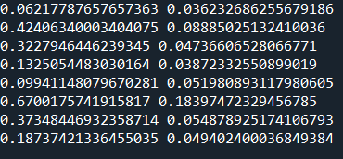
Normal | Standard Normal
8192 | HMCV | Averkamp | JS
Doppler | 0.014 (0.004) | 0.046 | 0.077
Blocks | 0.10 (0.01) | 0.18 | 0.26
Bumps | 0.066 (0.016) | 0.16 | 0.14
Heavisine | 0.023 (0.003) | 0.028 | 0.04

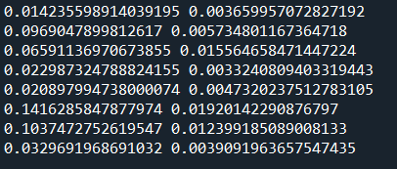
T | Standard Normal
512 | HMCV | Averkamp | JS
Doppler | 0.0958 | 0.49 | 0.58
Blocks | 0.63 | 1.07 | 0.74
Bumps | 0.38 | 1.2 | 0.92
Heavisine | 0.18 | 0.23 | 0.19

T | Standard Normal
8192 | HMCV | Averkamp | JS
Doppler | 0.021 (0.005) | 0.095 | 0.078
Blocks | 0.14 (0.02) | 0.26 | 0.26
Bumps | 0.10 (0.01) | 0.25 | 0.14
Heavisine | 0.033 (0.004) | 0.07 | 0.043

